X-Box Controller
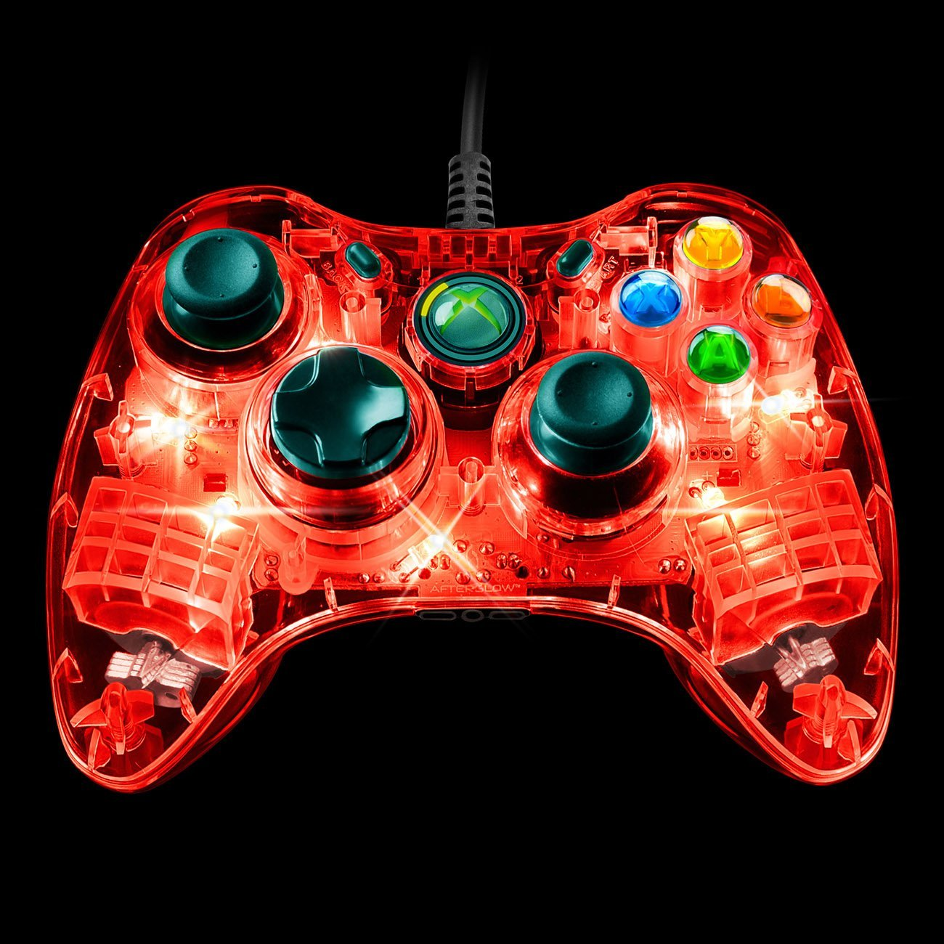
 | X-Box Controller
 | Tank | Arcade
Joysticks
Left Joystick | Tank Drive - Left Side | Arcade Drive
Right Joystick | Tank Drive - Right Side
Triggers
Left Trigger
Right Trigger | Fire Ball Shooter | Fire Ball Shooter
POV
Left
Right
Up
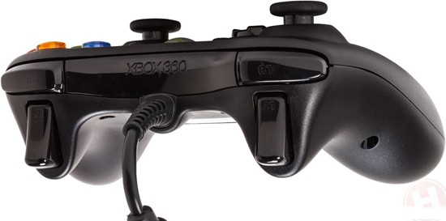
Down
Buttons
Y | Arm Up | Arm Up
A | Arm Down | Arm Down
X
B
Select/Back | Ball Intake | Ball Intake
Start | Ball Aim | Ball Aim
Left Bumper
Right Bumper | Fine Drive Control | Fine Drive Control
Left Joystick Button
Right Joystick Button

Joysticks
 | Joysticks
 | Tank |  | Arcade
 | Joystick 1 | Joystick 2 | Joystick 1 | Joystick 2
Axes
Joystick | Tank Drive - Left Side | Tank Drive - Right Side | Arcade Drive
Throttle
Buttons
1 |  | Fire Ball Shooter | Fire Ball Shooter
2 |  | Arm Down | Arm Down
3 |  | Arm Up | Arm Up
4 |  | Ball Intake | Ball Intake
5 |  | Ball Aim | Ball Aim
6
7
8
9
10
11

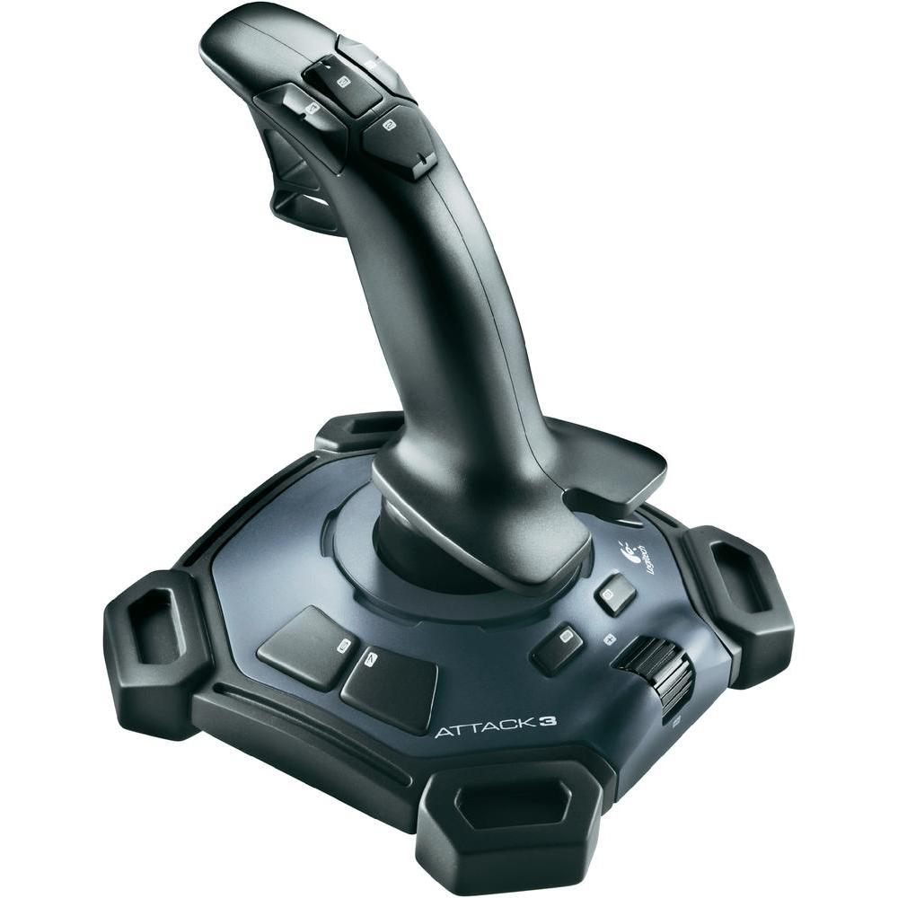
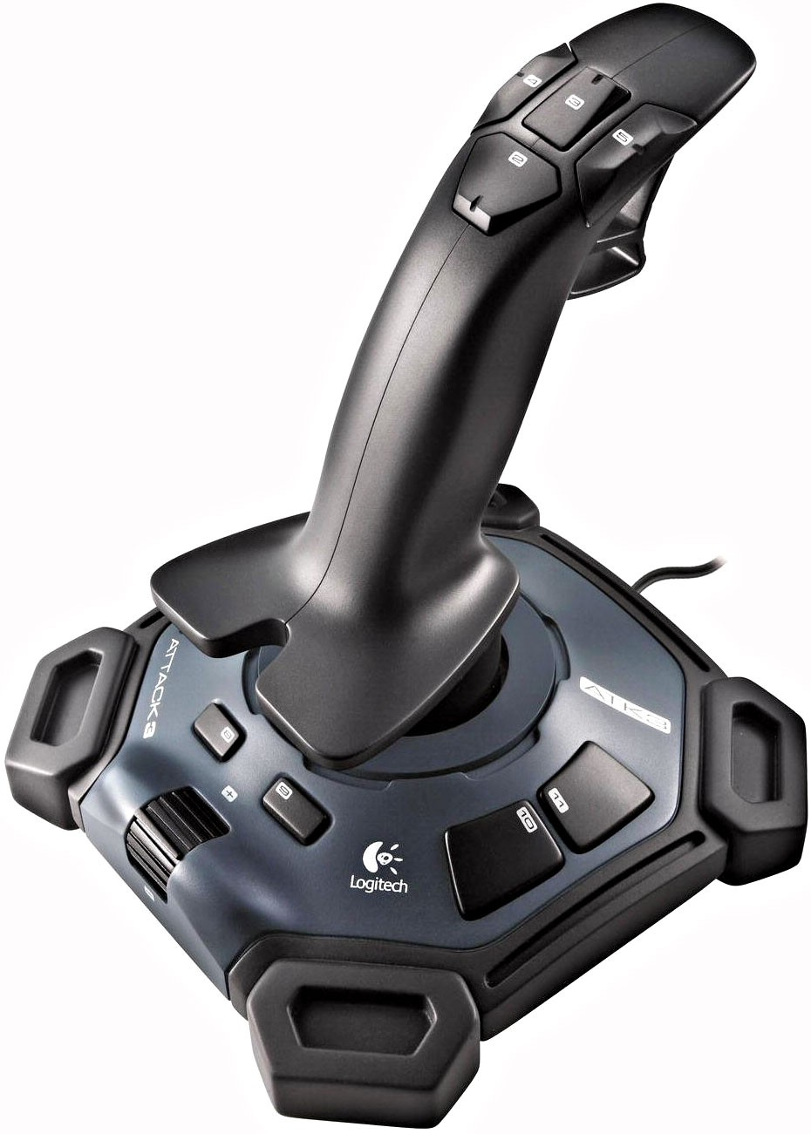

1

